Sheet1
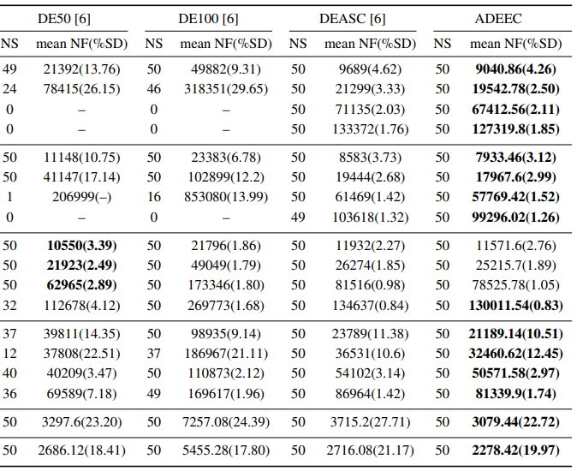
function | D | DE | DEASC
 |  | mean(%SD) | mean(%SD)
rastrigin | 5 | 39576.50(6.87) | 13824.50(3.60)
 | 10 | - | 29539.50(2.77)
 | 30 | - | 104895.30(2.02)
 | 50 | - | 210776.90(1.23)
shcwel | 5 | 21092.20(14.89) | 12414.00(3.39)
 | 10 | 240318.70(26.27) | -
 | 30 | - | 89227(1.58)
 | 50 | - | 164271.00(1.35)
ackley | 5 | 13187.60(1.76) | 16657.60(1.63)
 | 10 | 34438.00(2.19) | 35713.30(1.44)
 | 30 | 110818.70(1.91) | 112902.20(0.63)
 | 50 | 177069.50(1.61) | 197276.50(0.95)
griewank | 5 | 73216.00(9.12) | 43880.30(7.78)
 | 10 | - | 76152.50(10.41)
 | 30 | 71715.90(5.69) | 79436.40(5.43)
 | 50 | 109977.78(2.74) | 128279.50(1.366)

